Recovered_Sheet1
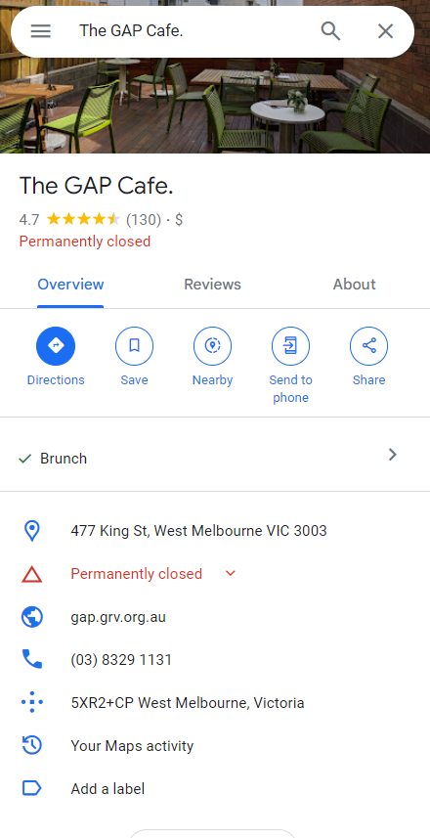
Place Closed

